Case #1
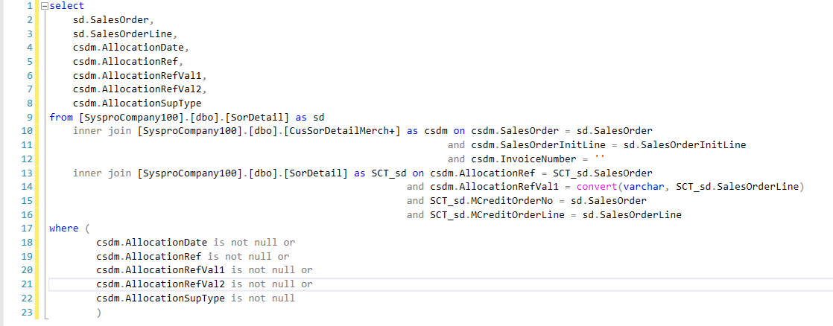
Justin Pope Dev Test
Test Case No. | 1
Process | execute updated usp_Update_Allocation
Test Consideration | 1) SQL Server Management Studio
Test Condition |  | Data Used | How To Verify | Actual Results
Tasks
1 | execute updated usp_Update_Allocation | dev data | query database | Screen shot of query of Original Order Data with sct information tab Results with results of query
Configuration/Data Setup for Testing Scenario
1 | SQL Server Management Studio
Verification

Test Cast Screens Shots Before and After

